Chart04_AverageConstructionTime
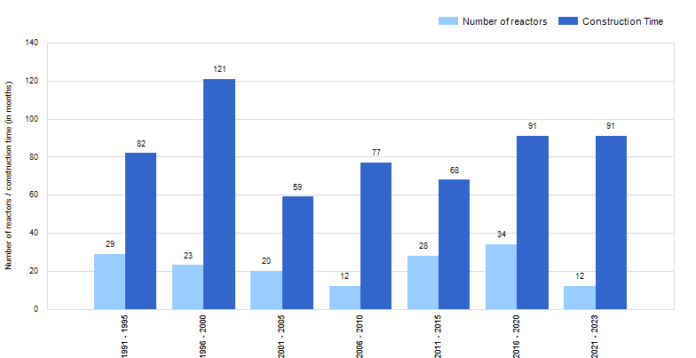
 | Figure 4. Worldwide median construction time in months (as of 31 Dec. 2023)

